Hoja1
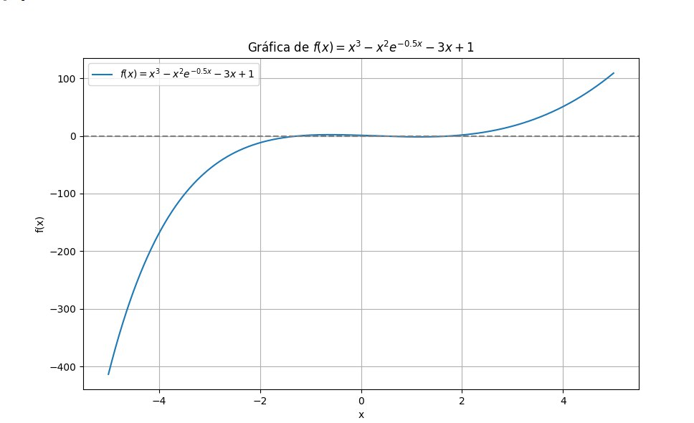

biseccion

# | a | b | m | f(a) | f(b) | f(m) | tol
0 | -2 | 2 | 0 | -11.873127314 | 1.5284822353 | 1 | 0.005
 | -2 | 0 | -1 | -11.873127314 | 1 | 1.3512787293
 | -2 | -1 | -1.5 | -11.873127314 | 1.3512787293 | -2.6382500374
 | -1.5 | -1 | -1.25 | -2.6382500374 | 1.3512787293 | -0.12225930849
 | -1.25 | -1 | -1.125 | -0.12225930849 | 1.3512787293 | 0.72993082478
 | -1.25 | -1.125 | -1.1875 | -0.12225930849 | 0.72993082478 | 0.33447635924
 | -1.25 | -1.1875 | -1.21875 | -0.12225930849 | 0.33447635924 | 0.11399815032
 | -1.25 | -1.21875 | -1.234375 | -0.12225930849 | 0.11399815032 | -0.0021290798149

